Reference
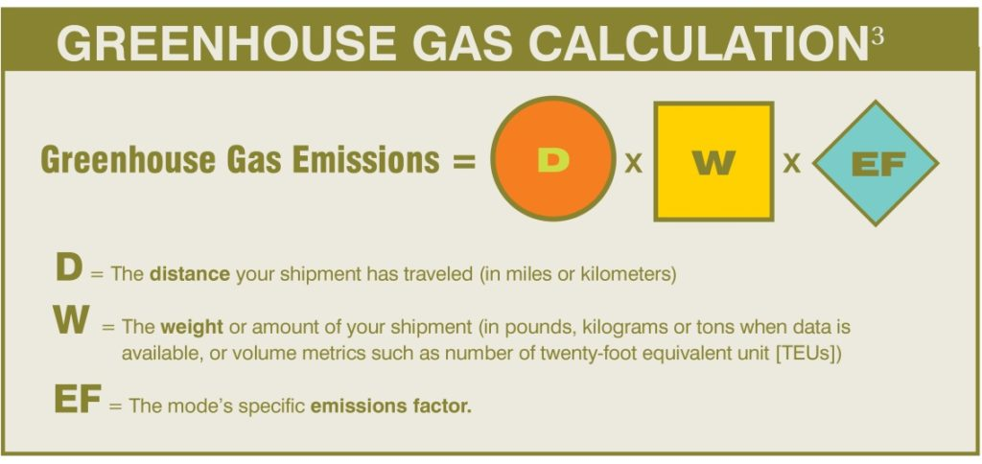
Ref | https://business.edf.org/insights/green-freight-math-how-to-calculate-emissions-for-a-truck-move/

